SOI_LOOSE_MODULAR FURNITURES
VOLUME 4 - 3.02 - BILL OF QUANTITIES FOR FURNITURE WORKS (INDOOR AND OUTDOOR) FOR NLSIU - RENOVATION WORKS
SL NO | DESCRIPTION | UOM | DWG CODE | QTY | RATE | AMOUNT | REMARKS
1.0 | Lounge Chair 1.steel frame+wood frame structure 2.high density foam 3.fabric surface 4.metal legs | Nos | L-CH-01 | 23.00 |  | - | 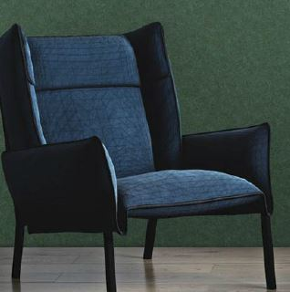

2.0 | Lounge Chair 1.steel frame+wood frame structure 2.high density foam 3.fabric surface 4.metal legs | Nos | L-CH-01 | 20.00 |  | - | 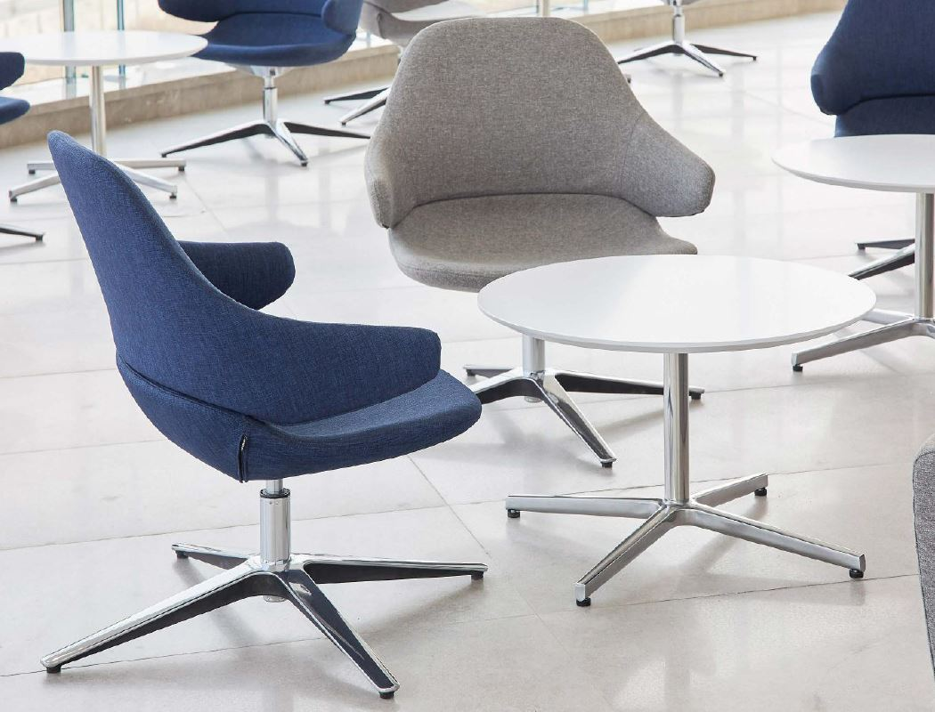

3.0 | Lounge Chair 1.steel frame+wood frame structure 2.high density foam 3.fabric surface 4.metal legs | Nos | L-CH-01 | 32.00 |  | - | 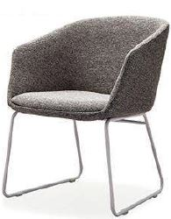

4.0 | Lounge Chair 1.steel frame+wood frame structure 2.high density foam 3.fabric surface 4.Wooden Legs | Nos | L-CH-01 | 34.00 |  | - | 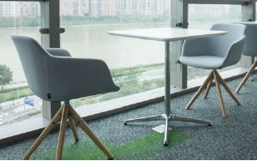

5.0 | Lounge Chair 1.steel frame+wood frame structure 2.high density foam 3.fabric surface 4.Wooden Legs | Nos | L-CH-02 | 6.00 |  | - | 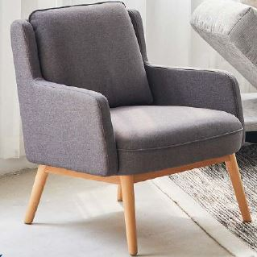

6.0 | High Chair 1.plywood structure 2.fabric/PU surface 3.Wooden Legs | Nos | L-HC01 | 19.00 |  | - | 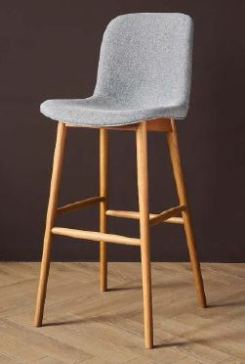

7.0 | Curva Series Medium Back Chair Executive [Workstation Task Chair] Backrest：PA+35%GF Back frame, Adj. Lumbar Support, High-elastic breathable mesh Seat：PA+35%GF seat bottom frame,75mm molded foam, FE series fabric Arm：3D adjustable arms with TPR durable arm pads Mechanism：Standard Syncro Control with 4 lock positions and side tension adjustable handle Gas cylinder: Samhongsa, 100*70 (100mm travel), class 3, Black Base: AL-350 Aluminum Polished Base Caster: 60*23 black nylon, Black | Nos | EXE.C-01 | 17.00 |  | - | 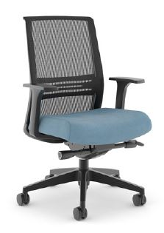

8.0 | Lounge Chair 1.steel frame+wood frame structure 2.high density foam 3.fabric surface 4.metal legs with Caster Wheels | Nos | EXE.C-02 | 50.00 |  | - | 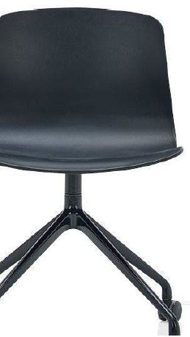

9.0 | Lounge Chair 1.steel frame+wood frame structure 2.high density foam 3.fabric surface 4.metal legs with Caster Wheels | Nos | EXE.C-02 | 118.00 |  | - | 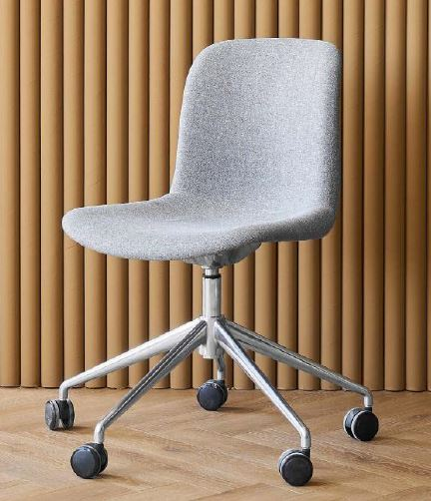

10.0 | Cafe Chair 1.steel frame+wood frame structure 2.high density foam 3.fabric surface 4.metal legs with Caster Wheels | Nos | EXE.C-02 | 50.00 |  | - | 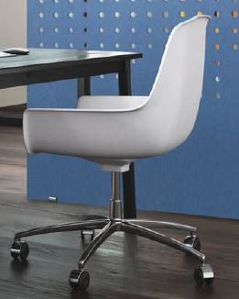

11.0 | Pouffe 1.wooden structure 2.high density foam 3.fabric /PU surface 7.plastic glide | Nos | PF-01 | 20.00 |  | - | 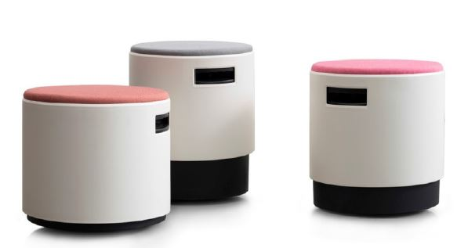

12.0 | Center Table - 900mm Dia x 450mm H 1. MS powder coating 2.Corian Top / Stone Top | NOS | CT-01 | 16.00 |  | -

13.0 | Center Table - 1000mm x 1200mm x 450mm H 1. MS powder coating 2. Plywood Top with Laminate / Corian Top | NOS | CT-02 | 24.00 |  | -

14.0 | Discussion Table - 900mm dia x 750mm H 1. SS base 2. Plywood Top with Laminate / Corian Top | NOS | DT-01 | 8.00 |  | -

15.0 | Sofa (4 PIECES+book unit - 8 SEATS PER UNIT) 1.wooden structure 2.high density foam 3.steel legs 4.Fabric /PU surface | NOS | SF-01 | 2.00 |  | - | 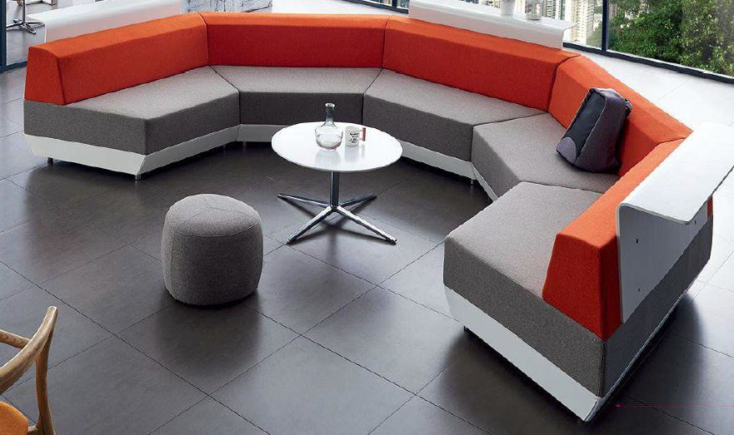

16.0 | Sofa (4 PIECES - 8 SEATS PER UNIT) 1.wooden structure 2.high density foam 3.steel legs 4.Fabric /PU surface | Nos | SF-02 | 4.00 |  | -

17.0 | Sofa 3 Seater 1.wooden structure 2.high density foam 3.stainless steel legs 4.Fabric /PU surface | Nos | SF-03 | 1.00 |  | - | 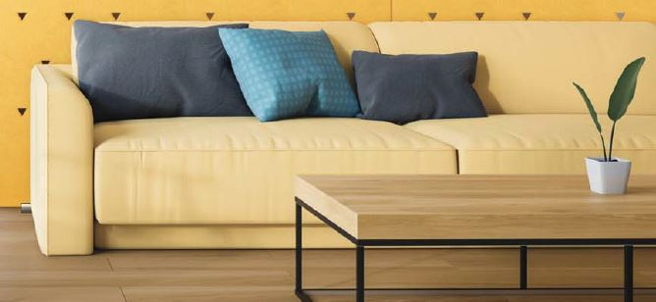

18.0 | Sofa 2 Seater 1.wooden structure 2.high density foam 3.WOODEN legs 4.Fabric /PU surface | Nos | SF-04 | 34.00 |  | - | 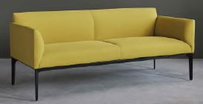

19.0 | COMMON FREESTANDING WORKTABLE 25mm thk Prelaminated particle board with pvc edge binding. MS powder coated/ wooden Legs Wire management and switch points provision |  |  |  |  | -
 | SIZE: 2000 Length x 1200mm Depth x 750mm Height | NOS | T-01 | 13.00 |  | -
 | SIZE: 3000 Length x 1200mm Depth x 750mm Height | NOS | T-02 | 9.00 |  | -
 | SIZE: 2700/1530 Length x 1200mm Depth x 750mm Height | NOS | T-03 | 1.00 |  | -
 | SIZE: 1200 Length x 1200mm Depth x 750mm Height | NOS | T-04 | 2.00 |  | -
 | SIZE: 2000 Length x 1500mm Depth x 750mm Height +task light | NOS | T-05 | 12.00 |  | -
 | SIZE: 3000 Length x 1500mm Depth x 750mm Height + task light | NOS | T-06 | 8.00 |  | -

20.0 | BOOK SHELFES / OPEN STORAGES Top 25mm thk Prelaminated particle board with pvc edge binding. Sides, Center partition, Bottom and Shelfes 19mm thk particalboard with PVC edge binding
 | SIZES: 1050 L x 900mm D x 750mm H - back to back 450+450 | NOS | BS-01 | 18.00 |  | -
 | SIZES: 1050 L x 900mm D x 1200mm H - back to back 450+450 | NOS | BS-02 | 19.00 |  | -
 | SIZES: 1050 L x 900mm D x 1800mm H - back to back 450+450 | NOS | BS-03 | 26.00 |  | -
 | SIZES: 1050 L x 450mm D x 750mm H - Single Side | NOS | BS-04 | 9.00 |  | -
 | SIZES: 1050 L x 450mm D x 1800mm H - Single Side | NOS | BS-05 | 14.00 |  | -
 | SIZES: 1200 L x 450mm D x 1800mm H - Single Side | NOS | BS-06 | 2.00 |  | -
 | SIZES: 600 L x 450mm D x 1800mm H - Single Side | NOS | BS-07 | 2.00 |  | -

21.0 | MEDIUM / LOW HEIGHT STORAGES Providing, Fabricating and fixing of Carcass / vertical support / shelves and Shutter of storage to be formed out of 19mm thk prelaminated particle board and finished in approved laminate of approved colour with 75mm high laminate skirting as detailed in the drawing. Each set of shutter shall have 2 Spring loaded hinges zero crank as per the size of shutter, with EG SS Finish locks, 75mm ebco tower bolt, 2 nos. heavy SS ball catch, Approved concealed handles, etc., Complete as directed.
 | SIZES: 1800 L x 600mm D x 750mm H - REPRO | SQM | ST-01 | 0.60 |  | -
 | SIZES: 1800 L x 600mm D x 1200mm H - ADMIN / OFFICE | SQM | ST-02 | 2.16 |  | -
 | SIZES: 2300 L x 600mm D x 750mm H - 8 / 15 PAX VC ROOM | SQM | ST-03 | 3.45 |  | -
 | SIZES: 900 L x 600mm D x 1800mm H - MANAGERS TABLE | NOS | ST-04 | 3.00 |  | -
 | SIZES: 2400 L x 600mm D x 1800mm H - MANAGERS TABLE | NOS | ST-05 | 3.00 |  | -

22.0 | RUNNING COUNTER - REPRO - 600mm D x 750mm H 25mm thk Prelaminated particle board with pvc edge binding for table top, gable ends and 19mm thk partical board for mdesty panel. | RMT |  | 6.00 |  | - | 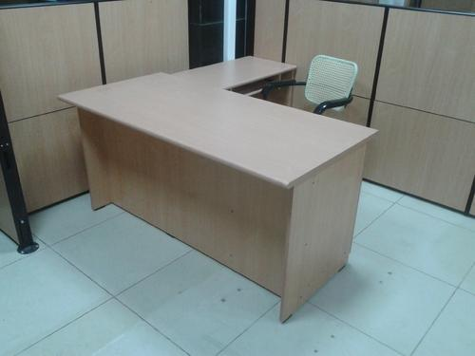

23.0 | HIGH RUNNING COUNTER - TOWARDS GLAZING SIDE - 700 D x 900mm H 25mm thk Prelaminated particle board with pvc edge binding for table top, gable ends and 19mm thk partical board for mdesty panel / MS powder coated legs | RMT |  | 45.00 |  | -

24.0 | LINEAR WORKSTATION - FLOOR MANAGERS - 1200 x 600MM X 750MM H Table top: Table Top shall be formed out of 25mm thick Pre-laminated particle board, laminate used for table top shall be scratch resistence & deflection resistence with all exposed edges lipped with PVC edge banding. Partition & Support: Partition frame work structure shall be of 50mm thk. partition and table top to be supported on aluminium powder coated legs as per manufacturers and aluminium powder coated trims. The structure shall consist of 6mm thk frosted glass writing board on one side and fabric panels with 6mm PU foam backing for pin up board on other side of required size as per detail. Raceways: Partitions to have manufacturer approved raceways with approved finish below table top for LAN & Electrical points. The necessary cut outs in the race ways for power & data switches shall be made by the supplier wherever required as per details. | NOS |  | 6.00 |  | - | 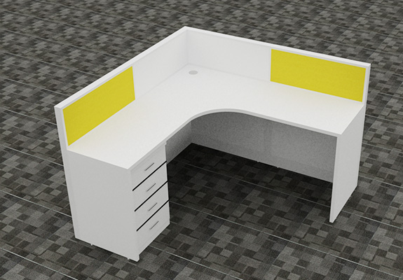
 | Mobile Pedestal: Shall be of size 675mm W x 450mm D x 750mm height made out of 19mm thick pre-lam board. All the edges of the storage shall have PVC edge binded and the storage pedestal shall consist of 3 counter weighted drawers (Top drawer shall be of 150mm high with pencil accessories tray, middle and bottom drawers shall be of 150mm high and 325mm height drawers respectively for files) as detailed including 3 in 1 lock, 75mm SS "C" handles, 4 nos. lockable castors and drawer sliding channels etc., of approved make. Ref Dwg.

25.0 | TLE BASED WORKSTATION - ADMIN ROOM - 2000 x 1700MM X 1200MM H Table top: Table Top shall be formed out of 25mm thick Pre-laminated particle board, laminate used for table top shall be scratch resistence & deflection resistence with all exposed edges lipped with PVC edge banding. Partition & Support: Partition frame work structure shall be of 50mm thk. partition and table top to be supported on aluminium powder coated legs as per manufacturers and aluminium powder coated trims. The structure shall consist of 6mm thk frosted glass writing board on one side and fabric panels with 6mm PU foam backing for pin up board on other side of required size as per detail. Raceways: Partitions to have manufacturer approved raceways with approved finish below table top for LAN & Electrical points. The necessary cut outs in the race ways for power & data switches shall be made by the supplier wherever required as per details. | NOS |  | 3.00 |  | -
 | Mobile Pedestal: Shall be of size 675mm W x 450mm D x 750mm height made out of 19mm thick pre-lam board. All the edges of the storage shall have PVC edge binded and the storage pedestal shall consist of 3 counter weighted drawers (Top drawer shall be of 150mm high with pencil accessories tray, middle and bottom drawers shall be of 150mm high and 325mm height drawers respectively for files) as detailed including 3 in 1 lock, 75mm SS "C" handles, 4 nos. lockable castors and drawer sliding channels etc., of approved make. Ref Dwg.

26.0 | CUBICLE / PARTITION - FOCUS ZONE
 | DIMENSION: 2700mm x 950mm Deep x 1800mm H - BACK TO BACK | NOS | FT-01 | 2.00 |  | -
 | DIMENSION: 2700mm x 950mm Deep x 1800mm H - SINGLE | NOS | FT-01 | 2.00 |  | -
 | Providing, fabricating and fixing of Wooden / Plywood Cubicle / partition in focus zone area formed out of 2 layers of 19mm thk commercial plywood to achieve 50mm thk with necessary required framework as required and all the exposed surfaces to be finished with approved fabric to pattern as per drawing, Partition to have 600mm deep x 25mm thk work counter fixed wo partition with necessary hardwares and top to be finished with approved 1mm thk laminate with all exposed edges with 2mm thk PVC edge binding. Necessary cutout for services to be provided as per detail.

27.0 | CUSHION SEATS | NOS |  | 36.00 |  | -
 | Fabric upholstred cushion seats fixed on to the existing surfaces as per drawings |  |  |  |  |  | 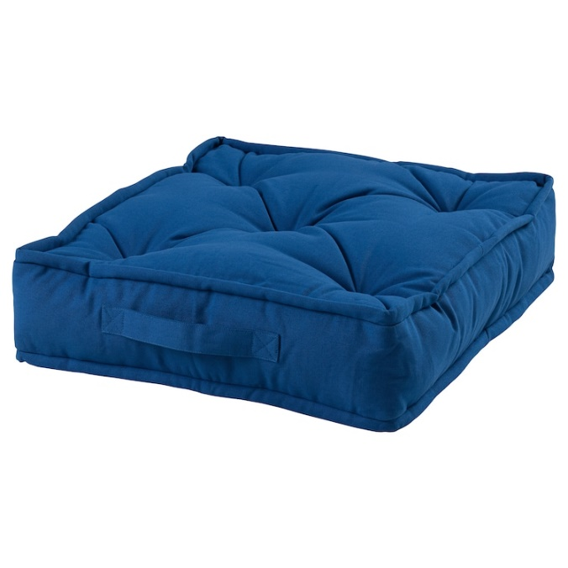

28.0 | RECEPTION TABLE
 | Size: - 7600MM L X 750MM D X 1050MM H - RECEPTION LOUNGE | NOS |  | 1.00 |  | -
 | Size: - 2725MM L X 600MM D X 1050MM H - ENTRANCE LOBBY | NOS |  | 1.00 |  | -
 | Providing, fabricating and fixing of Reception table , inclusive of table top, ledge, apron, supports, drawer pedestal, all finishes of approved make as per the drawing, specification and to complete satisfaction of the Engineer. Providing, fabricating and fixing of Reception table made of 19mm thk ply and finished in approved 1mm thick laminate for below top as shown in the dwg. Front fascia and sides (inside /outside), Top of the table to be finished in approved 1mm thk laminate of approved make to be cladding over the ply boxing fixed using necessary hardware's and adhesives as approved by the architect, refer detail drawing . Below table top 150mm 150mm boxing to be done to run LAN and electrical cables boxing to be finished in laminate finish, (Ref Dwg). Laminate at Rs. 550/-Smt. Rate shall include providing of 1 NO of movable Pedestal unit with a CPU compartment, drawer unit, storage units finished with approved laminate internally and externally finished in approved laminate. The cost to include all necessary hardware & accessories to complete. Vendor to refer the detail drawings for the complete specifications.

29.0 | OPEN CELL STORAGE - RECEPTION / LOCKER AREA | SQM |  | 66.24 |  | -
 | Supply and installation of Open cell Storage of depth 450-600mm as per specifications/site drawings. locker height will be 1800mm formed out of 19mm thk commercial grade plywood and finished with 1mm thk approved laminate for carcass, back, shelves ets, All the edges of the storage to be lipped with beech wood beading of size 19mm x 6mm thk, all External surfaces of the storage shall be finished with 1mm thk laminate and internal surfaces with 0.8mm thk laminate of approved shade, colour and make all Complete as specifications and direction of Engineer In-charge. Basic rate of laminate - 500/- Sqm.

30.0 | STORAGES - AV ROOM / REPRO AREA
 | Dimension: 630mmD x 1200mm H | SQM |  | 12.00 |  | -
 | Dimension: 630mmD x 750mm H | SQM |  | 3.38 |  | -
 | Providing, fabricating and fixing of storages consisting of top, bottom ,back of the storage ,Carcass(sides) ,vertical support, shelves and Shutters of storage to be formed out of 19mm thk BWR Grade plywood conforming to IS 303,finished in 1mm thk APPROVED LAMINATE of approved colour, shade and make including 100mm high laminate skirting as detailed in the drawing. All the edges of the storage to be lipped with beech wood beading of size 19mm x 6mm thk, Each shutter shall have 4 Spring loaded hinges, SS Finish locks, 75mm tower bolt, SS handles etc of approved make, all External surfaces of the storage shall be finished with 1mm thk laminate and internal surfaces with 0.8mm thk laminate of approved shade, colour and make all Complete as specifications and direction of Engineer In-charge. Basic rate of laminate - 500/- Sqm.

31.0 | PLYWOOD STAGE - 150mm H - COLLOBORATION AREA | SQM |  | 31.00 |  | -
 | Providing and fixing of 150mm height raised stage formed out of 19mm thk BWP ply of approved make, Stage to be have necessary plywood frame / grids at every 600mm interval bot ways horizontally and vertically and 19mm thk BWP to be cladded to frame using necessary bulk head screws, All the exposed surfaces of the stage to be finished with 9mm thk Laminated wooden flooring using necessary manufacturer recommended adhesive as detailed. |  |  |  |  | -

32.0 | PLYWOOD / WOODEN SEATING - STAIRS | SQM |  | 54.00 |  | -
 | Providing and fixing of approved / detailed height raised seating next to stairs formed out of 19mm thk BWP ply of approved make, Seating to be have necessary plywood frame / MS frame wherever required / grids and 19mm thk BWP to be cladded to frame using necessary bulk head screws, All the exposed surfaces of the stage to be finished with 12mm thk Rubber wood sheet and finished with melamine polish as detailed.

33.0 | PLYWOOD CIRCULAR INFO DESK / COUNTER - AROUND COLUMN | RMT |  | 7.00 |  | -
 | Providing and fixing of approved / detailed height seating / counter in circular shape of depth 750mm deep around circular column formed out of 19mm thk BWP ply of approved make, Seating to be have necessary supports as detailed of plywood. All the exposed surfaces of the seating/ counter to be finished with 1mm thk approved laminate as detailed.

34.0 | Outdoor Metal Chair 1. Casted / fabricated metal chairs with powder coating of approved colour | Nos | OC-01 | 28.00 |  | -

35.0 | Outdoor Tables - 1000 x 1600mm 1. Metal box section frame with powder coating and Wood top of approved required thickness | Nos | OT-01 | 16.00 |  | - | 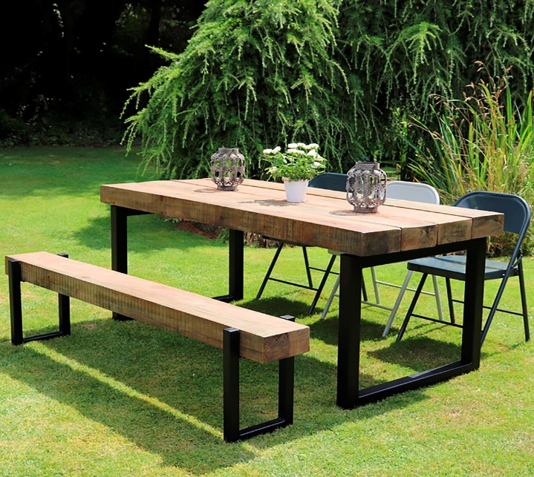

36.0 | Outdoor Tables - 1800mm Dia 1. Metal box section frame with powder coating and Wood top of approved required thickness | Nos | OT-02 | 2.00 |  | - | 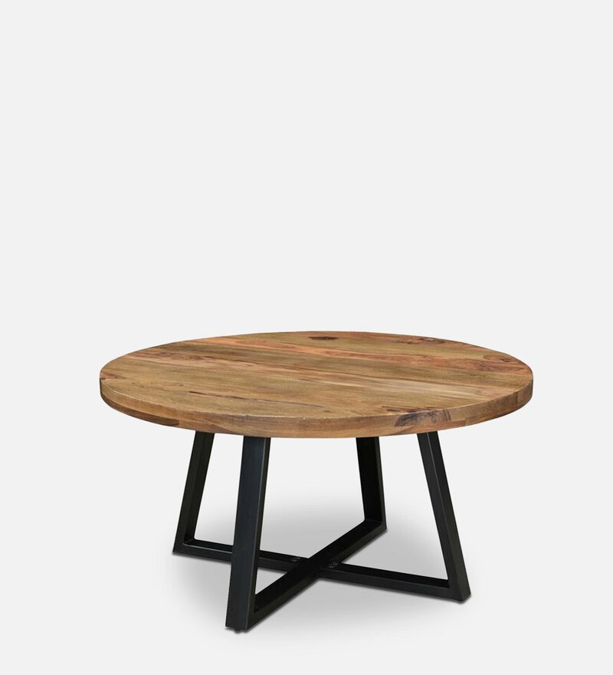

37.0 | Outdoor Tables - 900mm Dia 1. Metal box section frame with powder coating and Wood top of approved required thickness | Nos | OT-03 | 4.00 |  | -
38.0 | Outdoor Bench 1. Casted / fabricated metal chairs with powder coating of approved colour | Nos | Ob-01 | 19.00 |  | - | 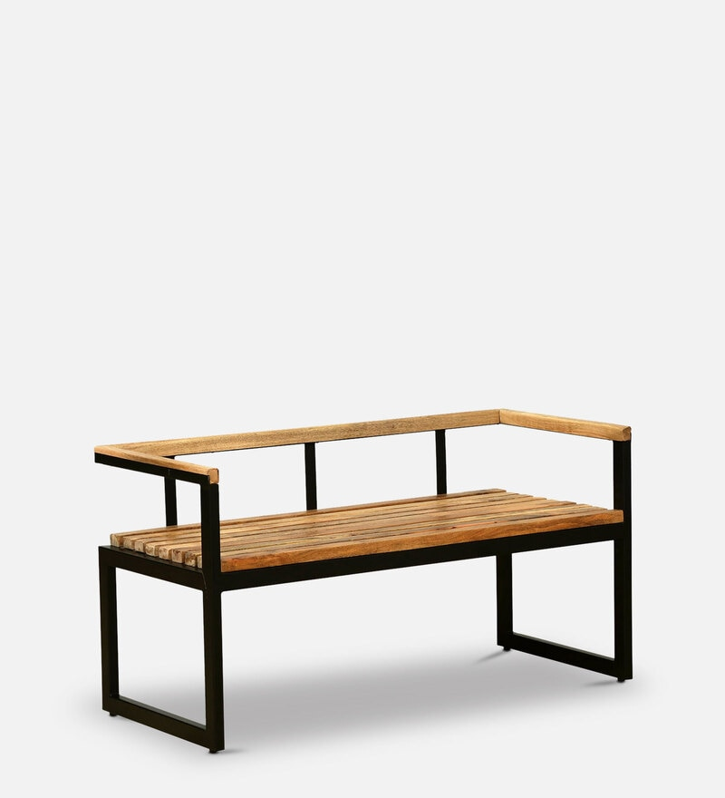

SUB TOTAL EXCLUDING TAXES |  |  |  |  |  | -
SGST @ 9% |  |  |  |  |  | -
CGST @ 9% |  |  |  |  |  | -
GRAND TOTAL INCLUDING TAXES |  |  |  |  |  | -

